Tabelle1
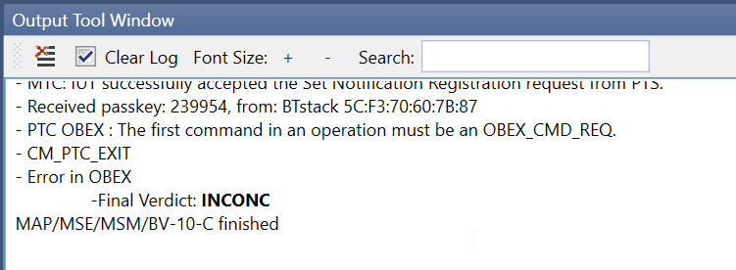
MAP_OLD MAP/MSE/MSM/BV-10-C Verify that the MSE can properly respond to multiple MAP session establishment requests.
Teledyne |  |  |  |  |  | Wireshark
Central | L2CAP | ConnectionID | Peripheral | L2CAP | ConnectionID
Conn | 0x42 |  |  |  |  | goep_cid 1, bearer_coid: 0x42
 |  |  | OK | 0x41 | 0x01 | singleton[0], goep_cid 1

Conn | 0x43
 |  |  | OK | 0x42 | 0x02 | goep_cid 2, bearer_coid: 0x43
 |  |  |  |  |  | singleton[1], goep_cid 2
PUT Notific On | 0x42 | 0x01
 |  |  | OK | 0x41 |  | goep_cid 2, bearer_coid: 0x43
 |  |  |  |  |  | singleton[1], goep_cid 2

 |  |  |  |  |  | goep_client->cid:0x1

PUT Notific On | 0x43 | 0x02
 |  |  | OK | 0x41

